Prod Dev
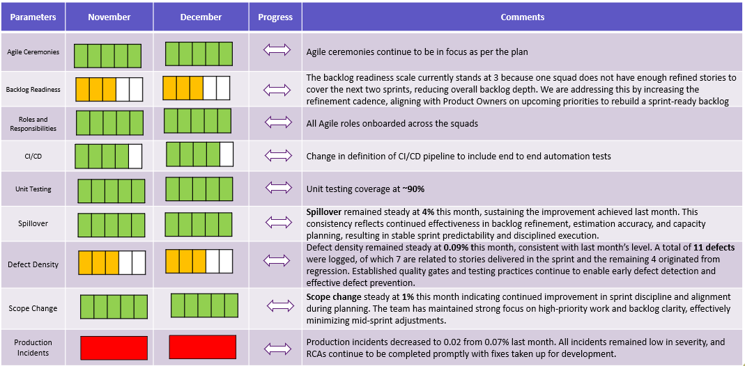
Concertiv
December 2025 Reporting Package
Product Development
 |  |  |  |  |  |  |  |  |  |  |  |  |  |  | Q1 |  | Q2 |  | Q3 |  | Q4 |  | YTD vs. Budget
 |  | Units | Jan-26 | Feb-26 | Mar-26 | Apr-26 | May-26 | Jun-26 | Jul-26 | Aug-26 | Sep-26 | Oct-26 | Nov-26 | Dec-26 | Act | Bgt. | Act | Bgt. | Act | Bgt. | Act | Bgt. | YTD | Bgt. | Diff. | LTM
 |  |  |  |  |  |  |  |  |  |  |  |  |  |  | Q1 |  | Q2 |  | Q3 |  | Q4
Squads
# of Squads | EoP | # | 3.0 | 3.0 | 3.0 | - | - | - | - | - | - | - | - | - | 3.0 | 3.0 | - | 3.0 | - | 3.0 | - | 3.0 | 0.8 | 3.0 | (2.3) | 2.5
# of Sprints | In-period | # | 2.0 | 2.0 | 2.0 | - | - | - | - | - | - | - | - | - | 6.0 | 6.0 | - | 6.0 | - | 6.0 | - | 6.0 | 6.0 | 24.0 | (18.0) | 24.0

Production
Story Points Committed | In-period | # | 256 | 135 | - | - | - | - | - | - | - | - | - | - | 391 | 702 | - | 774 | - | 821 | - | 930 | 391 | 3250 | (2859) | 3998
Story Points Completed | In-period | # | 226 | 124 | - | - | - | - | - | - | - | - | - | - | 350 | - | - | - | - | - | - | - | 350 | - | 350 | 3610
% Completed | In-period | % | 88% | 92% |  |  |  |  |  |  |  |  |  |  | 90% | - | - | - | - | - | - | - | 90% | - | 0.9

Story Point Breakout %
Product | In-period | % | 80% | 70% | - | - | - | - | - | - | - | - | - | - | 75% | 95% | - | 95% | - | 95% | - | 95% | 13% | 95% | (0.8) | 82%
Maintenance / Internal | In-period | % | 20% | 30% | - | - | - | - | - | - | - | - | - | - | 25% | 5% | - | 5% | - | 5% | - | 5% | 4% | 5% | (0.0) | 18%

Efficiency
Headcount (Total) | EoP | # | 15 | 15 | - | - | - | - | - | - | - | - | - | - | - | - | - | 25 | - | 25 | - | 25 | - | 25 | (25) | 15
Headcount - Squad - Onshore | EoP | # | 3 | 3 | - | - | - | - | - | - | - | - | - | - | - | - | - | 12 | - | 12 | - | 12 | - | 12 | (12) | 3
Headcount - Squad - Offshore | EoP | # | 12 | 12 | - | - | - | - | - | - | - | - | - | - | - | - | - | 13 | - | 13 | - | 13 | - | 13 | (13) | 12
Headcount - Non-Squad | EoP | # | - | - | - | - | - | - | - | - | - | - | - | - | - | - | - | - | - | - | - | - | - | - | - | -
Avg. Personnel Cost per Squad | Avg | $ | 82492 | 84530 | 86949 | - | - | - | - | - | - | - | - | - | $84,657 | $75,549 | - | $75,549 | - | $76,844 | - | $77,566 | $21,164 | $76,545 | (55381) | $101,252
P&T Overhead | In-period | $ | 16800 | 13328 | 8741 | - | - | - | - | - | - | - | - | - | $38,869 | $80,112 | - | $19,044 | - | $30,904 | - | $29,584 | $38,869 | $165,824 | (126955) | $104,741

Glossary
Concertiv
Jan 2023 Reporting Package
Glossary
Product Development
 | Term | Definition
 | Story Points Committed | # of story points that the team set out to the complete at the beginning of a sprint
 | Product | % of Story Points dedicated to developing product/features for customers
 | Maintenance / Internal | % of Story Points dedicated to Maintained or development of Internal Tools
 | P&T Overhead | Non-personnel Product and Technology expense
Marketing
 | Marketing Qualified Leads | Leads that were generated from the activities of the marketing organization
 | Mktg sourced New Opportunities | MQLs that enter the sales pipeline by meeting stage 1 qualification criteria
 | Mktg sourced New Opp. ACV | The Average Contract Value of MQLs that became New Opportunities
 | Mktg sourced pipeline, EoP | The $ value of pipeline opportunities that were sourced through marketing activities (EoP)
 | Mktg sourced Won ARR | ARR value of won opportunities (in the period) that were sourced through marketing activities
Sales
 | Referral Generated Opps. | Opportunities in the sales funnel that originated through customer referrals
 | Lost + Nurture | Opportunities that left the sales funnel do to either moving to the 1) Lost or 2) Nature stage
 | Avg Age of Opps Won in Period | # of weeks that opportunities won (in the period) sat in the pipeline
 | Pipeline Value | The notional value of all opportunities in the pipeline by stage (as of EoP)
 | Pipeline Count | The # of opportunities in the pipeline by stage (as of EoP)
 | Pipeline Weeks | The Avg. # of weeks that opportunities have been sitting in the pipeline by stage (as of EoP)
 | Lost + Nurtured by Stage | At which stage opportunities left the pipeline (either to lose or nature state; within the period)
Customer Success
 | Gross Growth % | New ARR obtainment (in the month) as a % of the ending ARR for the year prior, multiplied by 12
 | Churn % | Lost ARR (in the month) as a % of the ending ARR for the year prior, multiplied by 12
 | NRR % (Net Retained Revenue) | ARR from existing customers as a % of ARR from the same customers in prior year
 | # Growth Clients (up/cross sold + price) | Number of clients for which ARR was expanded in the period through cross/upsell or price
 | # Renewed Clients | # of client renewals within the period
Onboarding
 | Avg. Age of Ongoing Onboardings | Avg # of weeks that in-progress onboardings have been underway
 | Onboarding Revenue | Revenue in the period from onboarding services charged to customer
 | Onboarding. Rev - Onboarding Costs | The above less the cost of the onboarding department for the same period
Finance
 | Other (Severance, Legal, etc.) | Below the line or one-time expenses that might be excluded from EBITDA
 | Rule of 200 | Annualized ARR Growth + NRR + GM and EBITDA margin for period; target is 200+

